DIY Budget
Instructions
This spreadsheet allows you to see the impact changing tax revenues , increasing compensation, and budget cuts have on the school district budget. Make your changes in the red cells. Changes you make will affect the year you have selected and any subsequent years. You only have to input a change once unless you want to increase the change in a future year. Advanced users can unlock all cells and make other changes as well. To unlock all cells, right click the DIY Budget tab and select Unprotect Sheet. Review the effect of your changes on the Results tab.

Park City School District
General Fund
2012-2013 Do-It-Yourself Budget
 | Year 1 | Year 2 | Year 3 | Year 4 | Year 5
 | 2012-2013 | 2013-2014 | 2014-2015 | 2015-2016 | 2016-2017

Revenues:
Local Sources | $43,637,528 | $43,637,528 | $43,637,528 | $43,637,528 | $43,637,528
State Sources | 1,181,627 | 1,181,627 | 1,181,627 | 1,181,627 | 1,181,627
Federal Sources | 1,184,370 | 1,184,370 | 1,184,370 | 1,184,370 | 1,184,370
Total Revenues | $46,003,525 | $46,003,525 | $46,003,525 | $46,003,525 | $46,003,525

Property Tax Growth Estimate how much new property growth here -->
Tax Increase Enter your recommended tax increases here --> | 4,000,000

Expenditures:
Base Budget | $45,036,281 | $42,779,747 | $44,460,928 | $46,216,964 | $48,057,070
Base Adjustments
Benefit Cost Increases (Retirement, Health) | 800,415 | 600,868 | 669,297 | 746,429 | 833,389
Early Retiree Savings (Previous Program) | (131,313) | - | - | - | -
Supplies (Fuel, Natural Gas) | 74,364 | 80,313 | 86,738 | 93,677 | 101,171

Potential Expenditure Increases Enter recommended comp change --> |  | 1,000,000 | 1,000,000 | 1,000,000 | 1,000,000
Possible Budget Cuts Enter your recommended budget cuts here --> | (3,000,000)
Total Expenditures | $42,779,747 | $44,460,928 | $46,216,964 | $48,057,070 | $49,991,630

Excess (Deficiency) of Revenues Over Expenditures | $3,223,778 | $1,542,597 | $(213,439) | $(2,053,545) | $(3,988,105)

Available Rainy Day Funds - Beginning of Year | 7,157,180 | 10,380,958 | 11,923,555 | 11,710,116 | 9,656,571
Rainy Day Funds - End of Year | $10,380,958 | $11,923,555 | $11,710,116 | $9,656,571 | $5,668,466

Recommended Level of Rainy Day Funds (2 Months Operating Expenses) | $7,129,958 | $7,410,155 | $7,702,827 | $8,009,512 | $8,331,938

Excess (Deficiency) of Recommended Rainy Day Funds | $3,251,000 | $4,513,400 | $4,007,289 | $1,647,060 | $(2,663,472)

revised 9/4/2012 ver 2.5

Assumptions
Revenues assume no growth or decrease over projection period
Retirement increase of 2% per annum
Health Insurance increase of 13% per annum
Operations increase of 8% per annum

Property Taxes
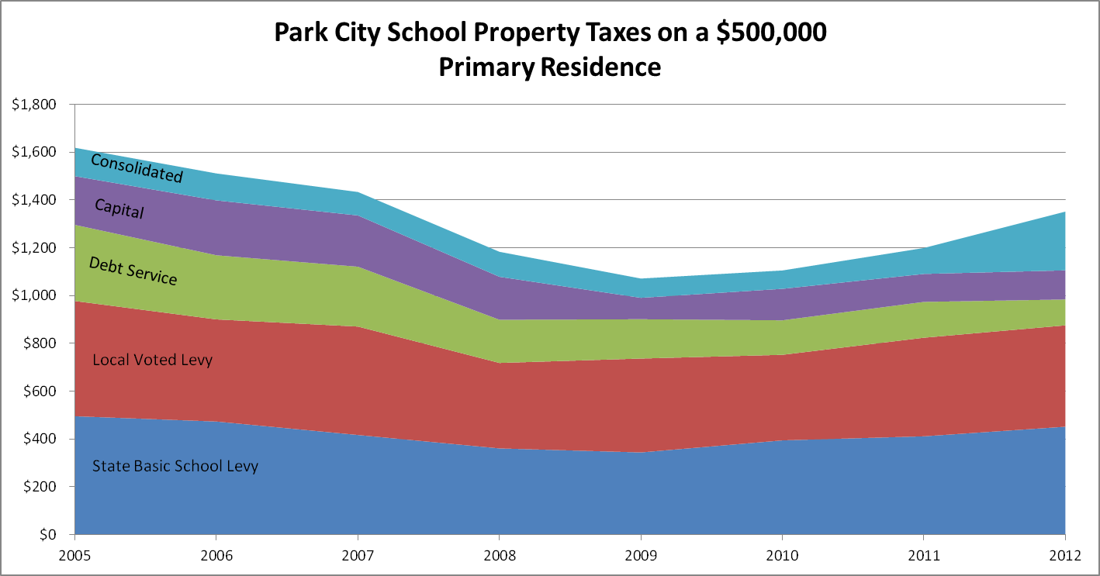

revised 6/8/2012

